Code
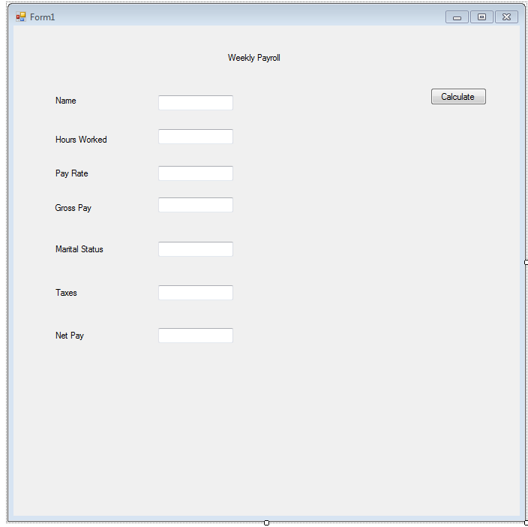

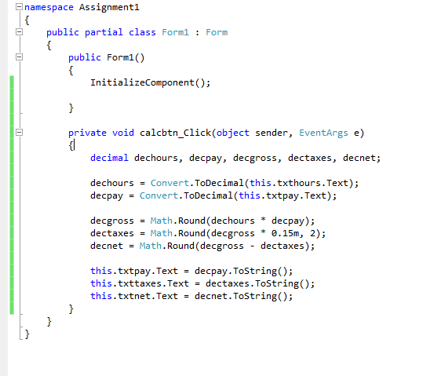

flowchart
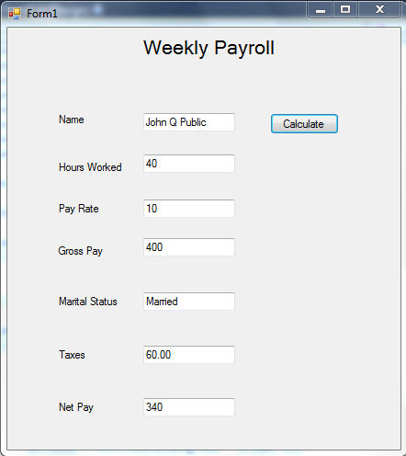
Start

.NET creates form

Wait for user input

Declare Variables

Input Values

Calculate values

Output Values

Stop

namespace Assignment1
{
public partial class Form1 : Form
{
public Form1()
{
InitializeComponent();

}

private void calcbtn_Click(object sender, EventArgs e)
{
decimal dechours, decpay, decgross, dectaxes, decnet;

dechours = Convert.ToDecimal(this.txthours.Text);
decpay = Convert.ToDecimal(this.txtpay.Text);

decgross = Math.Round(dechours * decpay);
dectaxes = Math.Round(decgross * 0.15m, 2);
decnet = Math.Round(decgross - dectaxes);

this.txtgross.Text = decgross.ToString();
this.txttaxes.Text = dectaxes.ToString();
this.txtnet.Text = decnet.ToString();
}
}
}

